Emission Factors
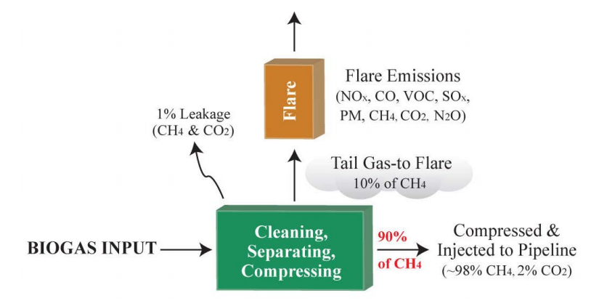
Emission Factors (EFs) and Other Information Used to Estimate GHG Benefits
Biogas Use | CO2 EF (Pounds/MMBtu) | CH4 EF (Pounds/MMBtu) | N2O EF (Pounds/MMBtu) | Composite Emissions Factor (MTCO2e/MMBtu) | Source/Notes
Flared | 191.3 | 0.070 | 0.0024 | 0.0879 | EPA (2016); Assume high-efficiency enclosed flare
Boiler | 191.3 | 0.838 | 0.00026 | 0.0963 | Derived from assumptions in EPA (2016) used to produce EFs for other biogas destruction technologies
Fuel Cell | 191.3 | 0.0026 | 0.00026 | 0.0868 | EPA (2016)
Reciprocating Engine | 191.3 | 0.838 | 0.0019 | 0.0965 | EPA (2016)
Gas Turbine | 191.3 | 0.167 | 0.00026 | 0.0887 | EPA (2016)
Biogas Processing for Pipeline Injection | 86.1 | 0.436 | 0.00022 | 0.0440 | EPA (2016); Composite EF does not account for electricity or other fuel used to operate biogas processing system

Other Emission Factors |  | Source |  | Other Conversion Factors |  |  | Source/Notes
CA Grid-average electricity EF (MTCO2e/MWh) | 0.22 | CARB (2024) |  | 1 MT CH4 | 25 | MT CO2e | 40 CFR, Part 98 (GWP)
Standard NG EF as required by Cap-and-Trade Regulation (MTCO2/mmbtu) | 0.0530 | CCR § 95893(e)(4)(B)(2)(a) |  | 1 MT N2O | 298 | MT CO2e | 40 CFR, Part 98 (GWP)
Landfill/biomass gas EF (MTCO2e/MMBtu) | 0.05234 | 40 CFR, Part 98 |  | 1 gallon diesel | 0.139 | MMBtu | 40 CFR, Part 98
Diesel combustion EF (kgCO2/gallon) | 10.2 | 40 CFR, Part 98 |  | Energy Economy Ratio NG vs diesel | 0.95 |  | CARB LCFS Regulation, Table 5; mid-point value of spark-ignition and compression-ignition engines
 |  |  |  | 1 pound | 0.454 | kg
Biogas Destruction Efficiencies |  | Source |  | 1 MT | 1000 | kg
Flaring | 0.960 | EPA (2016) |  | 1 scf biogas | 0.000600 | MMBtu | EPA (2016)
Boiler | 0.980 | DDRDP (2023) |  | 1 MMBtu biogas input | 0.90 | MMBtu biomethane output | EPA (2016)
Fuel Cell (on-site electricity) | 0.999 | EPA (2016)
Reciprocating Engine (on-site electricity) | 0.980 | EPA (2016); avg engine value
Gas Turbine (on-site electricity) | 0.996 | EPA (2016) |  | Sources
 |  |  |  | EPA (2016) | EPA Study on Biogas Management Technologies
Biogas Electricity Generation Method | Electric Conversion Efficiency | Heat Rate (MMBtu/MWh) |  | 40 CFR, Part 98 | Emissions Factors | Global Warming Potentials (GWPs)
Fuel Cell | 0.45 | 7.6 |  | CARB (2024) | Cap-and-Trade GHG Benefits Estimation Tool
Reciprocating Engine | 0.3 | 11.6 |  | CCR § 95893(e)(4)(B)(2)(a), 95100(c) | Cap-and-Trade Regulation | Mandatory Reporting Regulation
Gas Turbine | 0.3 | 11.4 |  | DDRDP (2023) | DDRDP GHG Quantification Methodology
Source: | DDRDP (2023) | EPA (2016) |  | CARB LCFS Regulation, Table 5 | LCFS Regulation

Biogas Processing Diagram (EPA 2016)

