Read Me

 |  | California Air Resources Board
 |  | Forest Restoration and Management
 |  | Benefits Calculator Tool
 |  | Fiscal Year 2020-2021

 |  | 2021-04-26
 |  | Corrected February 8, 2022

Read Me Worksheet
The California Air Resources Board (CARB) is responsible for providing the quantification methodology to estimate greenhouse gas (GHG) emission reductions
from California Climate Investment projects receiving monies from the Greenhouse Gas Reduction Fund (GGRF).

This Forest Restoration and Management Benefits Calculator Tool is accompanied by a quantification methodology
available at: | www.arb.ca.gov/cci-quantification

Applicants must use this Benefits Calculator Tool to estimate the net GHG benefit and co-benefits associated with forest management projects
receiving monies from the Greenhouse Gas Reduction Fund (GGRF).
Refer to the Forest Restoration and Management Benefits Calculator User Guide document for step-by-step instructions,
available at: | https://ww2.arb.ca.gov/sites/default/files/classic/cc/capandtrade/auctionproceeds/FRM FY20-21 User Guide.pdf

To use this calculator, follow these steps:
Step 1 Enter general project information: Enter the project name and the contact information for a person who can answer project specific
questions from staff reviewers on the quantification calculations. Enter the date that the project completed the GHG calculations.

Project Name:
Grant ID, if applicable:
Contact Name:
Contact Phone Number:
Contact Email:
Date Completed:

Step 2 Identify the project activity(ies): The applicant must select the appropriate project activity(ies) from the list of five eligible activity types
listed in the quantification methodology.
Step 3 Determine the inputs needed: The applicant will use the quantification methodology and the tools identified therein to determine the
project information that must be input into this benefits calculator tool for the applicable project component(s) selected in Step 2. This benefits calculator
contains a conversion worksheet to assist users in determining calculator inputs.
Step 4 Estimate the GHG emission reductions: The applicant will enter the project details identified in Step 3 into this calculator tool to calculate
the net GHG benefit of the project.
Step 5 Submit documentation: Save file for submittal. This file will be submitted with other documentation requirements. See Section C of the
quantification methodology for additional documentation requirements.

The Forest Restoration and Management Benefits Calculator Tool allows users to estimate the net GHG benefit and co-benefits from a variety of
specific forest management activities. Each eligible project activity identified in Table 1 of the quantification methodology has a worksheet within
the calculator. Landscape-level projects may include multiple activities of the same or differing types. This benefits calculator tool allows for multiple
entries within each workbook. Applicants must input project specific data into the worksheets that apply to the proposed project. Yellow fields
indicate a direct user input is required, green fields indicate a selection from a drop-down box is required, gray fields indicate output or
calculation fields that are automatically populated based on user entries and the calculation methods, and blue fields indicate information that is not
needed for GHG or Co-Benefits calculation, but is needed to be able to verify calculator inputs. After the user inputs are entered for each proposed
project activity the GHG summary worksheet displays the estimated GHG benefit from each activity type, the estimated net GHG benefit of the
project, as well as the estimated net GHG benefit per GGRF dollar requested.

For more information on CARB’s efforts to support implementation of Greenhouse Gas Reduction Fund investments, see:
https://ww2.arb.ca.gov/our-work/programs/california-climate-investments
Questions on this document should be sent to: |  | GGRFProgram@arb.ca.gov
Questions on the Forest Health Program should be sent to: |  | ForestHealth@fire.ca.gov

Reforestation Yield Projections
FVS Variant | Location Name | FVS Location Code | Forest Type | Site Class | Planting Density (trees/acre) | Carbon (tons/acre) | Tree Species | Douglas-Fir Forest Regeneration Mixture (%) | Ponderosa Pine Forest Regeneration Mixture (%) | White Fir Forest Regeneration Mixture (%) | Mixed Conifer Forest Regeneration Mixture (%)
Inland California and Southern Cascades (CA) | Klamath | 505 | Mixed Conifer | 1 | 150 | 54.7 | Ponderosa pine/Jeffrey pine (Pinus ponderosa/ P. jeffreyi) | 0 | 70 | 10 | 20
Inland California and Southern Cascades (CA) | Klamath | 505 | Mixed Conifer | 2 | 150 | 60.6 | Douglas-fir (Pseudotsuga menziesii) | 80 | 10 | 10 | 20
Inland California and Southern Cascades (CA) | Klamath | 505 | Mixed Conifer | 3 | 150 | 43.4 | Incense cedar (Calocedrus decurrens) | 5 | 10 | 10 | 20
Inland California and Southern Cascades (CA) | Klamath | 505 | Mixed Conifer | 4 | 150 | 62.6 | White fir (Abies concolor) | 0 | 10 | 70 | 30
Inland California and Southern Cascades (CA) | Klamath | 505 | Mixed Conifer | 5 | 150 | 46.3 | Sugar pine (P. lambertiana) | 0 | 0 | 0 | 10
Inland California and Southern Cascades (CA) | Klamath | 505 | Mixed Conifer | 1 | 300 | 78.9 | Tanoak (Notholithocarpus densiflorus) | 5 | 0 | 0 | 0
Inland California and Southern Cascades (CA) | Klamath | 505 | Mixed Conifer | 2 | 300 | 85.4 | Other softwoods | 5 | 0 | 0 | 0
Inland California and Southern Cascades (CA) | Klamath | 505 | Mixed Conifer | 3 | 300 | 66.1 | Other hardwoods | 5 | 0 | 0 | 0
Inland California and Southern Cascades (CA) | Klamath | 505 | Mixed Conifer | 4 | 300 | 85.5
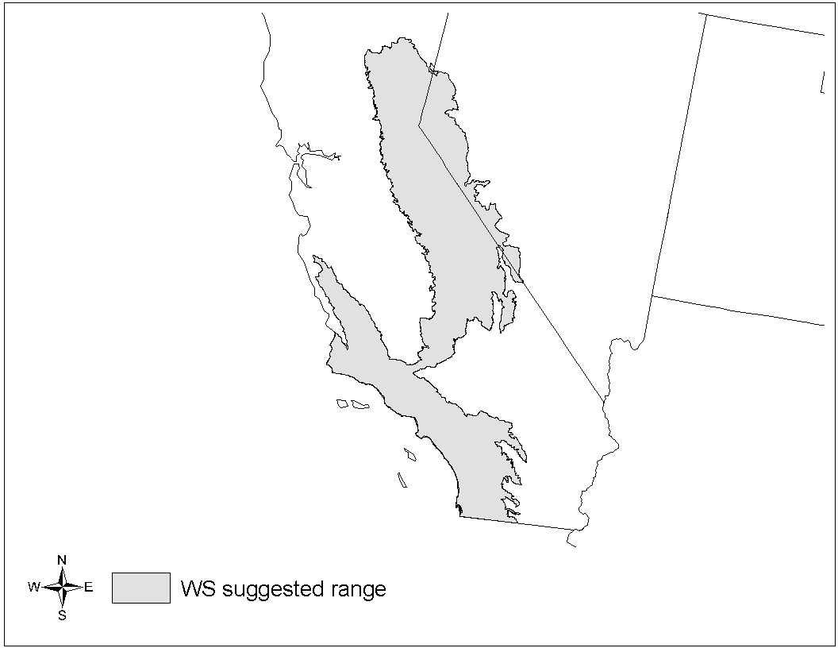
Coverage map for the Western Sierra Nevada (WS) variant
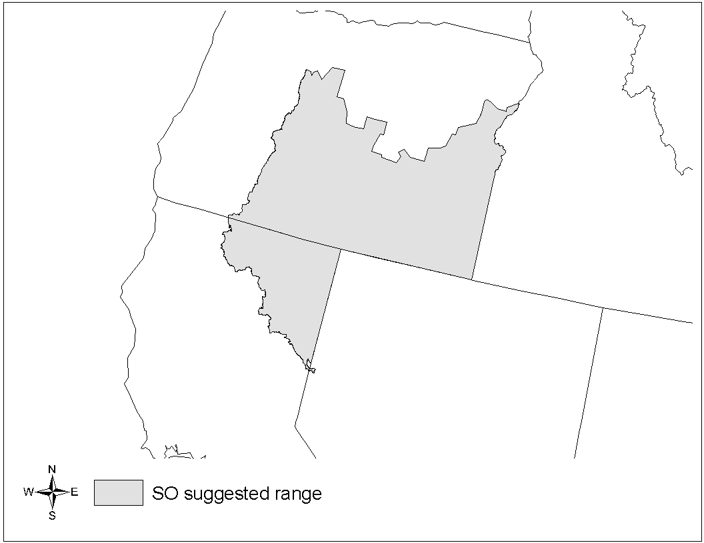
Coverage map for the South Central Oregon & Northeast California (SO) variant
Inland California and Southern Cascades (CA) | Klamath | 505 | Mixed Conifer | 5 | 300 | 68.0 | Forest Vegetation Simulator (FVS) Variant Range Maps. Source: USDA Forest Service
Inland California and Southern Cascades (CA) | Klamath | 505 | Ponderosa Pine (Pinus ponderosa) | 1 | 150 | 57.1
Inland California and Southern Cascades (CA) | Klamath | 505 | Ponderosa Pine (Pinus ponderosa) | 2 | 150 | 59.1
Inland California and Southern Cascades (CA) | Klamath | 505 | Ponderosa Pine (Pinus ponderosa) | 3 | 150 | 44.5
Inland California and Southern Cascades (CA) | Klamath | 505 | Ponderosa Pine (Pinus ponderosa) | 4 | 150 | 55.8
Inland California and Southern Cascades (CA) | Klamath | 505 | Ponderosa Pine (Pinus ponderosa) | 5 | 150 | 43.9
Inland California and Southern Cascades (CA) | Klamath | 505 | Ponderosa Pine (Pinus ponderosa) | 1 | 300 | 67.3
Inland California and Southern Cascades (CA) | Klamath | 505 | Ponderosa Pine (Pinus ponderosa) | 2 | 300 | 67.1
Inland California and Southern Cascades (CA) | Klamath | 505 | Ponderosa Pine (Pinus ponderosa) | 3 | 300 | 56.7
Inland California and Southern Cascades (CA) | Klamath | 505 | Ponderosa Pine (Pinus ponderosa) | 4 | 300 | 63.6
Inland California and Southern Cascades (CA) | Klamath | 505 | Ponderosa Pine (Pinus ponderosa) | 5 | 300 | 56.0
Inland California and Southern Cascades (CA) | Klamath | 505 | White Fir (Abies concolor) | 1 | 150 | 49.6
Inland California and Southern Cascades (CA) | Klamath | 505 | White Fir (Abies concolor) | 2 | 150 | 57.8
Inland California and Southern Cascades (CA) | Klamath | 505 | White Fir (Abies concolor) | 3 | 150 | 44.5
Inland California and Southern Cascades (CA) | Klamath | 505 | White Fir (Abies concolor) | 4 | 150 | 73.2
Inland California and Southern Cascades (CA) | Klamath | 505 | White Fir (Abies concolor) | 5 | 150 | 56.5
Inland California and Southern Cascades (CA) | Klamath | 505 | White Fir (Abies concolor) | 1 | 300 | 78.3
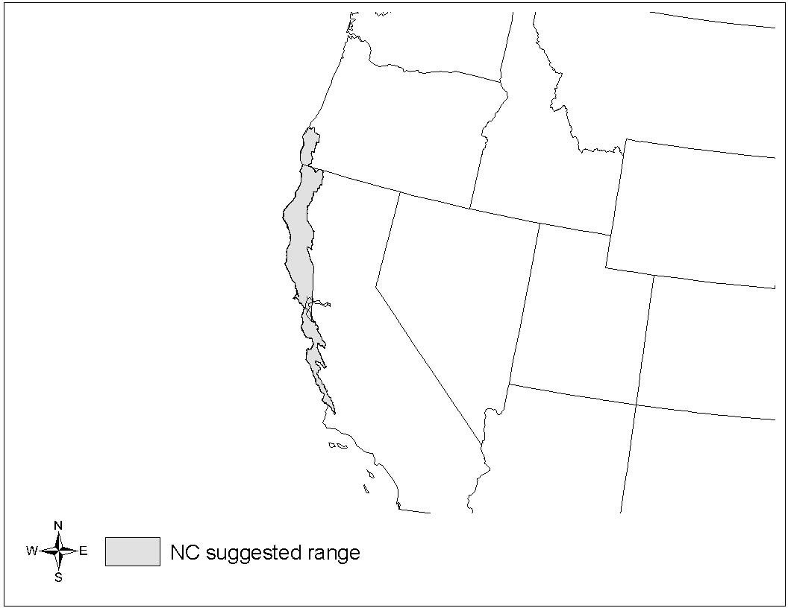
Coverage map for the Klamath/North Coast (NC) variant
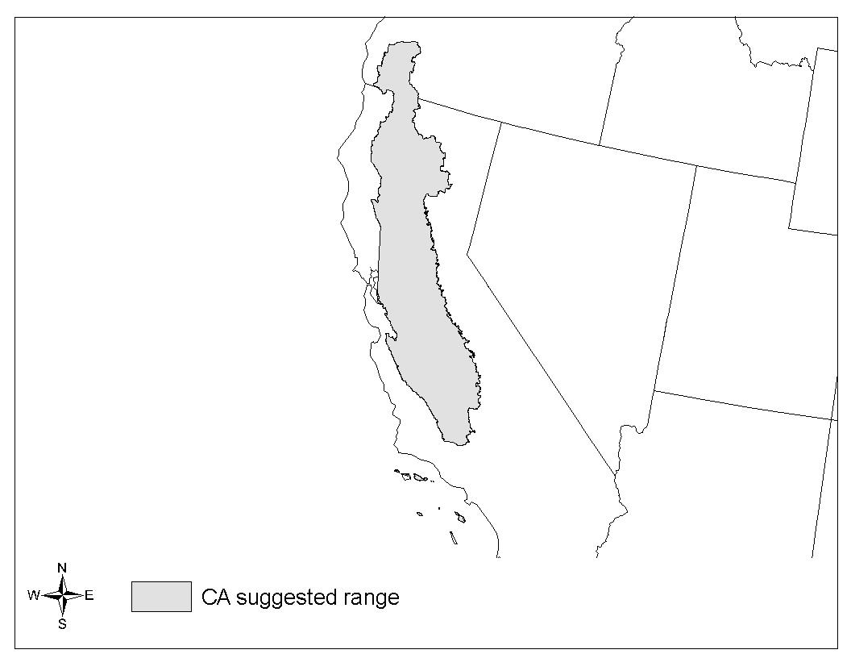
Coverage map for the Inland California and Southern Cascades (CA) variant
Inland California and Southern Cascades (CA) | Klamath | 505 | White Fir (Abies concolor) | 2 | 300 | 88.9
Inland California and Southern Cascades (CA) | Klamath | 505 | White Fir (Abies concolor) | 3 | 300 | 72.4
Inland California and Southern Cascades (CA) | Klamath | 505 | White Fir (Abies concolor) | 4 | 300 | 101.3
Inland California and Southern Cascades (CA) | Klamath | 505 | White Fir (Abies concolor) | 5 | 300 | 86.0
Inland California and Southern Cascades (CA) | Lassen | 506 | Mixed Conifer | 1 | 150 | 51.8
Inland California and Southern Cascades (CA) | Lassen | 506 | Mixed Conifer | 2 | 150 | 57.0
Inland California and Southern Cascades (CA) | Lassen | 506 | Mixed Conifer | 3 | 150 | 40.7
Inland California and Southern Cascades (CA) | Lassen | 506 | Mixed Conifer | 4 | 150 | 59.4
Inland California and Southern Cascades (CA) | Lassen | 506 | Mixed Conifer | 5 | 150 | 43.8
Inland California and Southern Cascades (CA) | Lassen | 506 | Mixed Conifer | 1 | 300 | 75.5
Inland California and Southern Cascades (CA) | Lassen | 506 | Mixed Conifer | 2 | 300 | 81.1
Inland California and Southern Cascades (CA) | Lassen | 506 | Mixed Conifer | 3 | 300 | 62.8
Inland California and Southern Cascades (CA) | Lassen | 506 | Mixed Conifer | 4 | 300 | 81.5
Inland California and Southern Cascades (CA) | Lassen | 506 | Mixed Conifer | 5 | 300 | 65.6
Inland California and Southern Cascades (CA) | Lassen | 506 | Ponderosa Pine (Pinus ponderosa) | 1 | 150 | 56.2
Inland California and Southern Cascades (CA) | Lassen | 506 | Ponderosa Pine (Pinus ponderosa) | 2 | 150 | 57.9
Inland California and Southern Cascades (CA) | Lassen | 506 | Ponderosa Pine (Pinus ponderosa) | 3 | 150 | 43.2
Inland California and Southern Cascades (CA) | Lassen | 506 | Ponderosa Pine (Pinus ponderosa) | 4 | 150 | 54.1
Inland California and Southern Cascades (CA) | Lassen | 506 | Ponderosa Pine (Pinus ponderosa) | 5 | 150 | 43.3
Inland California and Southern Cascades (CA) | Lassen | 506 | Ponderosa Pine (Pinus ponderosa) | 1 | 300 | 66.7
Inland California and Southern Cascades (CA) | Lassen | 506 | Ponderosa Pine (Pinus ponderosa) | 2 | 300 | 66.3
Inland California and Southern Cascades (CA) | Lassen | 506 | Ponderosa Pine (Pinus ponderosa) | 3 | 300 | 55.8
Inland California and Southern Cascades (CA) | Lassen | 506 | Ponderosa Pine (Pinus ponderosa) | 4 | 300 | 62.7
Inland California and Southern Cascades (CA) | Lassen | 506 | Ponderosa Pine (Pinus ponderosa) | 5 | 300 | 55.2
Inland California and Southern Cascades (CA) | Lassen | 506 | White Fir (Abies concolor) | 1 | 150 | 48.3
Inland California and Southern Cascades (CA) | Lassen | 506 | White Fir (Abies concolor) | 2 | 150 | 56.6
Inland California and Southern Cascades (CA) | Lassen | 506 | White Fir (Abies concolor) | 3 | 150 | 43.5
Inland California and Southern Cascades (CA) | Lassen | 506 | White Fir (Abies concolor) | 4 | 150 | 71.8
Inland California and Southern Cascades (CA) | Lassen | 506 | White Fir (Abies concolor) | 5 | 150 | 55.8
Inland California and Southern Cascades (CA) | Lassen | 506 | White Fir (Abies concolor) | 1 | 300 | 76.6
Inland California and Southern Cascades (CA) | Lassen | 506 | White Fir (Abies concolor) | 2 | 300 | 86.2
Inland California and Southern Cascades (CA) | Lassen | 506 | White Fir (Abies concolor) | 3 | 300 | 71.1
Inland California and Southern Cascades (CA) | Lassen | 506 | White Fir (Abies concolor) | 4 | 300 | 100.3
Inland California and Southern Cascades (CA) | Lassen | 506 | White Fir (Abies concolor) | 5 | 300 | 86.4
Inland California and Southern Cascades (CA) | Mendocino | 508 | Mixed Conifer | 1 | 150 | 51.8
Inland California and Southern Cascades (CA) | Mendocino | 508 | Mixed Conifer | 2 | 150 | 57.0
Inland California and Southern Cascades (CA) | Mendocino | 508 | Mixed Conifer | 3 | 150 | 40.7
Inland California and Southern Cascades (CA) | Mendocino | 508 | Mixed Conifer | 4 | 150 | 59.4
Inland California and Southern Cascades (CA) | Mendocino | 508 | Mixed Conifer | 5 | 150 | 43.8
Inland California and Southern Cascades (CA) | Mendocino | 508 | Mixed Conifer | 1 | 300 | 75.5
Inland California and Southern Cascades (CA) | Mendocino | 508 | Mixed Conifer | 2 | 300 | 81.1
Inland California and Southern Cascades (CA) | Mendocino | 508 | Mixed Conifer | 3 | 300 | 62.8
Inland California and Southern Cascades (CA) | Mendocino | 508 | Mixed Conifer | 4 | 300 | 81.5
Inland California and Southern Cascades (CA) | Mendocino | 508 | Mixed Conifer | 5 | 300 | 65.6
Inland California and Southern Cascades (CA) | Mendocino | 508 | Ponderosa Pine (Pinus ponderosa) | 1 | 150 | 56.2
Inland California and Southern Cascades (CA) | Mendocino | 508 | Ponderosa Pine (Pinus ponderosa) | 2 | 150 | 57.9
Inland California and Southern Cascades (CA) | Mendocino | 508 | Ponderosa Pine (Pinus ponderosa) | 3 | 150 | 43.2
Inland California and Southern Cascades (CA) | Mendocino | 508 | Ponderosa Pine (Pinus ponderosa) | 4 | 150 | 54.1
Inland California and Southern Cascades (CA) | Mendocino | 508 | Ponderosa Pine (Pinus ponderosa) | 5 | 150 | 43.3
Inland California and Southern Cascades (CA) | Mendocino | 508 | Ponderosa Pine (Pinus ponderosa) | 1 | 300 | 66.7
Inland California and Southern Cascades (CA) | Mendocino | 508 | Ponderosa Pine (Pinus ponderosa) | 2 | 300 | 66.3
Inland California and Southern Cascades (CA) | Mendocino | 508 | Ponderosa Pine (Pinus ponderosa) | 3 | 300 | 55.8
Inland California and Southern Cascades (CA) | Mendocino | 508 | Ponderosa Pine (Pinus ponderosa) | 4 | 300 | 62.7
Inland California and Southern Cascades (CA) | Mendocino | 508 | Ponderosa Pine (Pinus ponderosa) | 5 | 300 | 55.2
Inland California and Southern Cascades (CA) | Mendocino | 508 | White Fir (Abies concolor) | 1 | 150 | 48.3
Inland California and Southern Cascades (CA) | Mendocino | 508 | White Fir (Abies concolor) | 2 | 150 | 56.6
Inland California and Southern Cascades (CA) | Mendocino | 508 | White Fir (Abies concolor) | 3 | 150 | 43.5
Inland California and Southern Cascades (CA) | Mendocino | 508 | White Fir (Abies concolor) | 4 | 150 | 71.8
Inland California and Southern Cascades (CA) | Mendocino | 508 | White Fir (Abies concolor) | 5 | 150 | 55.8
Inland California and Southern Cascades (CA) | Mendocino | 508 | White Fir (Abies concolor) | 1 | 300 | 76.6
Inland California and Southern Cascades (CA) | Mendocino | 508 | White Fir (Abies concolor) | 2 | 300 | 86.2
Inland California and Southern Cascades (CA) | Mendocino | 508 | White Fir (Abies concolor) | 3 | 300 | 71.1
Inland California and Southern Cascades (CA) | Mendocino | 508 | White Fir (Abies concolor) | 4 | 300 | 100.3
Inland California and Southern Cascades (CA) | Mendocino | 508 | White Fir (Abies concolor) | 5 | 300 | 86.4
Inland California and Southern Cascades (CA) | Plumas | 511 | Mixed Conifer | 1 | 150 | 54.7
Inland California and Southern Cascades (CA) | Plumas | 511 | Mixed Conifer | 2 | 150 | 60.6
Inland California and Southern Cascades (CA) | Plumas | 511 | Mixed Conifer | 3 | 150 | 43.4
Inland California and Southern Cascades (CA) | Plumas | 511 | Mixed Conifer | 4 | 150 | 62.6
Inland California and Southern Cascades (CA) | Plumas | 511 | Mixed Conifer | 5 | 150 | 46.3
Inland California and Southern Cascades (CA) | Plumas | 511 | Mixed Conifer | 1 | 300 | 78.9
Inland California and Southern Cascades (CA) | Plumas | 511 | Mixed Conifer | 2 | 300 | 85.4
Inland California and Southern Cascades (CA) | Plumas | 511 | Mixed Conifer | 3 | 300 | 66.1
Inland California and Southern Cascades (CA) | Plumas | 511 | Mixed Conifer | 4 | 300 | 85.5
Inland California and Southern Cascades (CA) | Plumas | 511 | Mixed Conifer | 5 | 300 | 68.0
Inland California and Southern Cascades (CA) | Plumas | 511 | Ponderosa Pine (Pinus ponderosa) | 1 | 150 | 57.1
Inland California and Southern Cascades (CA) | Plumas | 511 | Ponderosa Pine (Pinus ponderosa) | 2 | 150 | 59.1
Inland California and Southern Cascades (CA) | Plumas | 511 | Ponderosa Pine (Pinus ponderosa) | 3 | 150 | 44.5
Inland California and Southern Cascades (CA) | Plumas | 511 | Ponderosa Pine (Pinus ponderosa) | 4 | 150 | 55.8
Inland California and Southern Cascades (CA) | Plumas | 511 | Ponderosa Pine (Pinus ponderosa) | 5 | 150 | 43.9
Inland California and Southern Cascades (CA) | Plumas | 511 | Ponderosa Pine (Pinus ponderosa) | 1 | 300 | 67.3
Inland California and Southern Cascades (CA) | Plumas | 511 | Ponderosa Pine (Pinus ponderosa) | 2 | 300 | 67.1
Inland California and Southern Cascades (CA) | Plumas | 511 | Ponderosa Pine (Pinus ponderosa) | 3 | 300 | 56.7
Inland California and Southern Cascades (CA) | Plumas | 511 | Ponderosa Pine (Pinus ponderosa) | 4 | 300 | 63.6
Inland California and Southern Cascades (CA) | Plumas | 511 | Ponderosa Pine (Pinus ponderosa) | 5 | 300 | 56.0
Inland California and Southern Cascades (CA) | Plumas | 511 | White Fir (Abies concolor) | 1 | 150 | 49.6
Inland California and Southern Cascades (CA) | Plumas | 511 | White Fir (Abies concolor) | 2 | 150 | 57.8
Inland California and Southern Cascades (CA) | Plumas | 511 | White Fir (Abies concolor) | 3 | 150 | 44.5
Inland California and Southern Cascades (CA) | Plumas | 511 | White Fir (Abies concolor) | 4 | 150 | 73.2
Inland California and Southern Cascades (CA) | Plumas | 511 | White Fir (Abies concolor) | 5 | 150 | 56.5
Inland California and Southern Cascades (CA) | Plumas | 511 | White Fir (Abies concolor) | 1 | 300 | 78.3
Inland California and Southern Cascades (CA) | Plumas | 511 | White Fir (Abies concolor) | 2 | 300 | 88.9
Inland California and Southern Cascades (CA) | Plumas | 511 | White Fir (Abies concolor) | 3 | 300 | 72.4
Inland California and Southern Cascades (CA) | Plumas | 511 | White Fir (Abies concolor) | 4 | 300 | 101.3
Inland California and Southern Cascades (CA) | Plumas | 511 | White Fir (Abies concolor) | 5 | 300 | 86.0
Klamath/North Coast (NC) | Klamath | 505 | Douglas-Fir (Pseudotsuga menziesii) | 1 | 150 | 93.8
Klamath/North Coast (NC) | Klamath | 505 | Douglas-Fir (Pseudotsuga menziesii) | 2 | 150 | 116.5
Klamath/North Coast (NC) | Klamath | 505 | Douglas-Fir (Pseudotsuga menziesii) | 3 | 150 | 96.3
Klamath/North Coast (NC) | Klamath | 505 | Douglas-Fir (Pseudotsuga menziesii) | 4 | 150 | 131.9
Klamath/North Coast (NC) | Klamath | 505 | Douglas-Fir (Pseudotsuga menziesii) | 5 | 150 | 115.5
Klamath/North Coast (NC) | Klamath | 505 | Douglas-Fir (Pseudotsuga menziesii) | 1 | 300 | 130.8
Klamath/North Coast (NC) | Klamath | 505 | Douglas-Fir (Pseudotsuga menziesii) | 2 | 300 | 145.2
Klamath/North Coast (NC) | Klamath | 505 | Douglas-Fir (Pseudotsuga menziesii) | 3 | 300 | 129.8
Klamath/North Coast (NC) | Klamath | 505 | Douglas-Fir (Pseudotsuga menziesii) | 4 | 300 | 143.6
Klamath/North Coast (NC) | Klamath | 505 | Douglas-Fir (Pseudotsuga menziesii) | 5 | 300 | 134.6
Klamath/North Coast (NC) | Mendocino | 514 | Douglas-Fir (Pseudotsuga menziesii) | 1 | 150 | 93.8
Klamath/North Coast (NC) | Mendocino | 514 | Douglas-Fir (Pseudotsuga menziesii) | 2 | 150 | 116.5
Klamath/North Coast (NC) | Mendocino | 514 | Douglas-Fir (Pseudotsuga menziesii) | 3 | 150 | 96.3
Klamath/North Coast (NC) | Mendocino | 514 | Douglas-Fir (Pseudotsuga menziesii) | 4 | 150 | 131.9
Klamath/North Coast (NC) | Mendocino | 514 | Douglas-Fir (Pseudotsuga menziesii) | 5 | 150 | 115.5
Klamath/North Coast (NC) | Mendocino | 514 | Douglas-Fir (Pseudotsuga menziesii) | 1 | 300 | 130.8
Klamath/North Coast (NC) | Mendocino | 514 | Douglas-Fir (Pseudotsuga menziesii) | 2 | 300 | 145.2
Klamath/North Coast (NC) | Mendocino | 514 | Douglas-Fir (Pseudotsuga menziesii) | 3 | 300 | 129.8
Klamath/North Coast (NC) | Mendocino | 514 | Douglas-Fir (Pseudotsuga menziesii) | 4 | 300 | 143.6
Klamath/North Coast (NC) | Mendocino | 514 | Douglas-Fir (Pseudotsuga menziesii) | 5 | 300 | 134.6
Klamath/North Coast (NC) | Six Rivers | 510 | Douglas-Fir (Pseudotsuga menziesii) | 1 | 150 | 93.8
Klamath/North Coast (NC) | Six Rivers | 510 | Douglas-Fir (Pseudotsuga menziesii) | 2 | 150 | 116.5
Klamath/North Coast (NC) | Six Rivers | 510 | Douglas-Fir (Pseudotsuga menziesii) | 3 | 150 | 96.3
Klamath/North Coast (NC) | Six Rivers | 510 | Douglas-Fir (Pseudotsuga menziesii) | 4 | 150 | 131.9
Klamath/North Coast (NC) | Six Rivers | 510 | Douglas-Fir (Pseudotsuga menziesii) | 5 | 150 | 115.5
Klamath/North Coast (NC) | Six Rivers | 510 | Douglas-Fir (Pseudotsuga menziesii) | 1 | 300 | 130.8
Klamath/North Coast (NC) | Six Rivers | 510 | Douglas-Fir (Pseudotsuga menziesii) | 2 | 300 | 145.2
Klamath/North Coast (NC) | Six Rivers | 510 | Douglas-Fir (Pseudotsuga menziesii) | 3 | 300 | 129.8
Klamath/North Coast (NC) | Six Rivers | 510 | Douglas-Fir (Pseudotsuga menziesii) | 4 | 300 | 143.6
Klamath/North Coast (NC) | Six Rivers | 510 | Douglas-Fir (Pseudotsuga menziesii) | 5 | 300 | 134.6
South Central Oregon & Northeast California (SO) | Klamath | 505 | Eastside Ponderosa Pine (Pinus ponderosa) | 1 | 150 | 41.1
South Central Oregon & Northeast California (SO) | Klamath | 505 | Eastside Ponderosa Pine (Pinus ponderosa) | 2 | 150 | 44.6
South Central Oregon & Northeast California (SO) | Klamath | 505 | Eastside Ponderosa Pine (Pinus ponderosa) | 3 | 150 | 32.5
South Central Oregon & Northeast California (SO) | Klamath | 505 | Eastside Ponderosa Pine (Pinus ponderosa) | 4 | 150 | 45.7
South Central Oregon & Northeast California (SO) | Klamath | 505 | Eastside Ponderosa Pine (Pinus ponderosa) | 5 | 150 | 36.0
South Central Oregon & Northeast California (SO) | Klamath | 505 | Eastside Ponderosa Pine (Pinus ponderosa) | 1 | 300 | 57.6
South Central Oregon & Northeast California (SO) | Klamath | 505 | Eastside Ponderosa Pine (Pinus ponderosa) | 2 | 300 | 61.2
South Central Oregon & Northeast California (SO) | Klamath | 505 | Eastside Ponderosa Pine (Pinus ponderosa) | 3 | 300 | 49.0
South Central Oregon & Northeast California (SO) | Klamath | 505 | Eastside Ponderosa Pine (Pinus ponderosa) | 4 | 300 | 63.9
South Central Oregon & Northeast California (SO) | Klamath | 505 | Eastside Ponderosa Pine (Pinus ponderosa) | 5 | 300 | 54.7
South Central Oregon & Northeast California (SO) | Klamath | 505 | Mixed Conifer | 1 | 150 | 39.0
South Central Oregon & Northeast California (SO) | Klamath | 505 | Mixed Conifer | 2 | 150 | 43.4
South Central Oregon & Northeast California (SO) | Klamath | 505 | Mixed Conifer | 3 | 150 | 33.3
South Central Oregon & Northeast California (SO) | Klamath | 505 | Mixed Conifer | 4 | 150 | 49.3
South Central Oregon & Northeast California (SO) | Klamath | 505 | Mixed Conifer | 5 | 150 | 41.6
South Central Oregon & Northeast California (SO) | Klamath | 505 | Mixed Conifer | 1 | 300 | 65.7
South Central Oregon & Northeast California (SO) | Klamath | 505 | Mixed Conifer | 2 | 300 | 71.1
South Central Oregon & Northeast California (SO) | Klamath | 505 | Mixed Conifer | 3 | 300 | 57.8
South Central Oregon & Northeast California (SO) | Klamath | 505 | Mixed Conifer | 4 | 300 | 79.4
South Central Oregon & Northeast California (SO) | Klamath | 505 | Mixed Conifer | 5 | 300 | 70.8
South Central Oregon & Northeast California (SO) | Klamath | 505 | White Fir (Abies concolor) | 1 | 150 | 34.8
South Central Oregon & Northeast California (SO) | Klamath | 505 | White Fir (Abies concolor) | 2 | 150 | 41.1
South Central Oregon & Northeast California (SO) | Klamath | 505 | White Fir (Abies concolor) | 3 | 150 | 31.8
South Central Oregon & Northeast California (SO) | Klamath | 505 | White Fir (Abies concolor) | 4 | 150 | 51.2
South Central Oregon & Northeast California (SO) | Klamath | 505 | White Fir (Abies concolor) | 5 | 150 | 39.2
South Central Oregon & Northeast California (SO) | Klamath | 505 | White Fir (Abies concolor) | 1 | 300 | 62.4
South Central Oregon & Northeast California (SO) | Klamath | 505 | White Fir (Abies concolor) | 2 | 300 | 71.4
South Central Oregon & Northeast California (SO) | Klamath | 505 | White Fir (Abies concolor) | 3 | 300 | 56.6
South Central Oregon & Northeast California (SO) | Klamath | 505 | White Fir (Abies concolor) | 4 | 300 | 85.9
South Central Oregon & Northeast California (SO) | Klamath | 505 | White Fir (Abies concolor) | 5 | 300 | 69.9
South Central Oregon & Northeast California (SO) | Lassen | 506 | Eastside Ponderosa Pine (Pinus ponderosa) | 1 | 150 | 45.2
South Central Oregon & Northeast California (SO) | Lassen | 506 | Eastside Ponderosa Pine (Pinus ponderosa) | 2 | 150 | 50.3
South Central Oregon & Northeast California (SO) | Lassen | 506 | Eastside Ponderosa Pine (Pinus ponderosa) | 3 | 150 | 36.9
South Central Oregon & Northeast California (SO) | Lassen | 506 | Eastside Ponderosa Pine (Pinus ponderosa) | 4 | 150 | 54.1
South Central Oregon & Northeast California (SO) | Lassen | 506 | Eastside Ponderosa Pine (Pinus ponderosa) | 5 | 150 | 43.7
South Central Oregon & Northeast California (SO) | Lassen | 506 | Eastside Ponderosa Pine (Pinus ponderosa) | 1 | 300 | 65.9
South Central Oregon & Northeast California (SO) | Lassen | 506 | Eastside Ponderosa Pine (Pinus ponderosa) | 2 | 300 | 71.6
South Central Oregon & Northeast California (SO) | Lassen | 506 | Eastside Ponderosa Pine (Pinus ponderosa) | 3 | 300 | 56.9
South Central Oregon & Northeast California (SO) | Lassen | 506 | Eastside Ponderosa Pine (Pinus ponderosa) | 4 | 300 | 77.2
South Central Oregon & Northeast California (SO) | Lassen | 506 | Eastside Ponderosa Pine (Pinus ponderosa) | 5 | 300 | 68.6
South Central Oregon & Northeast California (SO) | Lassen | 506 | Mixed Conifer | 1 | 150 | 49.3
South Central Oregon & Northeast California (SO) | Lassen | 506 | Mixed Conifer | 2 | 150 | 57.4
South Central Oregon & Northeast California (SO) | Lassen | 506 | Mixed Conifer | 3 | 150 | 43.5
South Central Oregon & Northeast California (SO) | Lassen | 506 | Mixed Conifer | 4 | 150 | 67.0
South Central Oregon & Northeast California (SO) | Lassen | 506 | Mixed Conifer | 5 | 150 | 59.2
South Central Oregon & Northeast California (SO) | Lassen | 506 | Mixed Conifer | 1 | 300 | 82.1
South Central Oregon & Northeast California (SO) | Lassen | 506 | Mixed Conifer | 2 | 300 | 91.5
South Central Oregon & Northeast California (SO) | Lassen | 506 | Mixed Conifer | 3 | 300 | 74.0
South Central Oregon & Northeast California (SO) | Lassen | 506 | Mixed Conifer | 4 | 300 | 104.3
South Central Oregon & Northeast California (SO) | Lassen | 506 | Mixed Conifer | 5 | 300 | 95.5
South Central Oregon & Northeast California (SO) | Lassen | 506 | White Fir (Abies concolor) | 1 | 150 | 41.3
South Central Oregon & Northeast California (SO) | Lassen | 506 | White Fir (Abies concolor) | 2 | 150 | 49.7
South Central Oregon & Northeast California (SO) | Lassen | 506 | White Fir (Abies concolor) | 3 | 150 | 39.0
South Central Oregon & Northeast California (SO) | Lassen | 506 | White Fir (Abies concolor) | 4 | 150 | 62.9
South Central Oregon & Northeast California (SO) | Lassen | 506 | White Fir (Abies concolor) | 5 | 150 | 50.6
South Central Oregon & Northeast California (SO) | Lassen | 506 | White Fir (Abies concolor) | 1 | 300 | 74.0
South Central Oregon & Northeast California (SO) | Lassen | 506 | White Fir (Abies concolor) | 2 | 300 | 85.1
South Central Oregon & Northeast California (SO) | Lassen | 506 | White Fir (Abies concolor) | 3 | 300 | 69.3
South Central Oregon & Northeast California (SO) | Lassen | 506 | White Fir (Abies concolor) | 4 | 300 | 103.4
South Central Oregon & Northeast California (SO) | Lassen | 506 | White Fir (Abies concolor) | 5 | 300 | 87.6
South Central Oregon & Northeast California (SO) | Modoc | 509 | Eastside Ponderosa Pine (Pinus ponderosa) | 1 | 150 | 44.9
South Central Oregon & Northeast California (SO) | Modoc | 509 | Eastside Ponderosa Pine (Pinus ponderosa) | 2 | 150 | 49.1
South Central Oregon & Northeast California (SO) | Modoc | 509 | Eastside Ponderosa Pine (Pinus ponderosa) | 3 | 150 | 36.1
South Central Oregon & Northeast California (SO) | Modoc | 509 | Eastside Ponderosa Pine (Pinus ponderosa) | 4 | 150 | 51.1
South Central Oregon & Northeast California (SO) | Modoc | 509 | Eastside Ponderosa Pine (Pinus ponderosa) | 5 | 150 | 40.7
South Central Oregon & Northeast California (SO) | Modoc | 509 | Eastside Ponderosa Pine (Pinus ponderosa) | 1 | 300 | 62.1
South Central Oregon & Northeast California (SO) | Modoc | 509 | Eastside Ponderosa Pine (Pinus ponderosa) | 2 | 300 | 66.0
South Central Oregon & Northeast California (SO) | Modoc | 509 | Eastside Ponderosa Pine (Pinus ponderosa) | 3 | 300 | 53.2
South Central Oregon & Northeast California (SO) | Modoc | 509 | Eastside Ponderosa Pine (Pinus ponderosa) | 4 | 300 | 70.0
South Central Oregon & Northeast California (SO) | Modoc | 509 | Eastside Ponderosa Pine (Pinus ponderosa) | 5 | 300 | 61.1
South Central Oregon & Northeast California (SO) | Modoc | 509 | Mixed Conifer | 1 | 150 | 43.2
South Central Oregon & Northeast California (SO) | Modoc | 509 | Mixed Conifer | 2 | 150 | 48.8
South Central Oregon & Northeast California (SO) | Modoc | 509 | Mixed Conifer | 3 | 150 | 37.6
South Central Oregon & Northeast California (SO) | Modoc | 509 | Mixed Conifer | 4 | 150 | 56.2
South Central Oregon & Northeast California (SO) | Modoc | 509 | Mixed Conifer | 5 | 150 | 48.2
South Central Oregon & Northeast California (SO) | Modoc | 509 | Mixed Conifer | 1 | 300 | 72.1
South Central Oregon & Northeast California (SO) | Modoc | 509 | Mixed Conifer | 2 | 300 | 78.3
South Central Oregon & Northeast California (SO) | Modoc | 509 | Mixed Conifer | 3 | 300 | 64.2
South Central Oregon & Northeast California (SO) | Modoc | 509 | Mixed Conifer | 4 | 300 | 88.6
South Central Oregon & Northeast California (SO) | Modoc | 509 | Mixed Conifer | 5 | 300 | 79.8
South Central Oregon & Northeast California (SO) | Modoc | 509 | White Fir (Abies concolor) | 1 | 150 | 38.4
South Central Oregon & Northeast California (SO) | Modoc | 509 | White Fir (Abies concolor) | 2 | 150 | 45.9
South Central Oregon & Northeast California (SO) | Modoc | 509 | White Fir (Abies concolor) | 3 | 150 | 35.8
South Central Oregon & Northeast California (SO) | Modoc | 509 | White Fir (Abies concolor) | 4 | 150 | 58.1
South Central Oregon & Northeast California (SO) | Modoc | 509 | White Fir (Abies concolor) | 5 | 150 | 44.8
South Central Oregon & Northeast California (SO) | Modoc | 509 | White Fir (Abies concolor) | 1 | 300 | 69.2
South Central Oregon & Northeast California (SO) | Modoc | 509 | White Fir (Abies concolor) | 2 | 300 | 78.7
South Central Oregon & Northeast California (SO) | Modoc | 509 | White Fir (Abies concolor) | 3 | 300 | 63.3
South Central Oregon & Northeast California (SO) | Modoc | 509 | White Fir (Abies concolor) | 4 | 300 | 95.3
South Central Oregon & Northeast California (SO) | Modoc | 509 | White Fir (Abies concolor) | 5 | 300 | 78.3
South Central Oregon & Northeast California (SO) | Plumas | 511 | Eastside Ponderosa Pine (Pinus ponderosa) | 1 | 150 | 45.2
South Central Oregon & Northeast California (SO) | Plumas | 511 | Eastside Ponderosa Pine (Pinus ponderosa) | 2 | 150 | 50.3
South Central Oregon & Northeast California (SO) | Plumas | 511 | Eastside Ponderosa Pine (Pinus ponderosa) | 3 | 150 | 36.9
South Central Oregon & Northeast California (SO) | Plumas | 511 | Eastside Ponderosa Pine (Pinus ponderosa) | 4 | 150 | 54.1
South Central Oregon & Northeast California (SO) | Plumas | 511 | Eastside Ponderosa Pine (Pinus ponderosa) | 5 | 150 | 43.7
South Central Oregon & Northeast California (SO) | Plumas | 511 | Eastside Ponderosa Pine (Pinus ponderosa) | 1 | 300 | 65.9
South Central Oregon & Northeast California (SO) | Plumas | 511 | Eastside Ponderosa Pine (Pinus ponderosa) | 2 | 300 | 71.6
South Central Oregon & Northeast California (SO) | Plumas | 511 | Eastside Ponderosa Pine (Pinus ponderosa) | 3 | 300 | 56.9
South Central Oregon & Northeast California (SO) | Plumas | 511 | Eastside Ponderosa Pine (Pinus ponderosa) | 4 | 300 | 77.2
South Central Oregon & Northeast California (SO) | Plumas | 511 | Eastside Ponderosa Pine (Pinus ponderosa) | 5 | 300 | 68.6
South Central Oregon & Northeast California (SO) | Plumas | 511 | Mixed Conifer | 1 | 150 | 49.3
South Central Oregon & Northeast California (SO) | Plumas | 511 | Mixed Conifer | 2 | 150 | 57.4
South Central Oregon & Northeast California (SO) | Plumas | 511 | Mixed Conifer | 3 | 150 | 43.5
South Central Oregon & Northeast California (SO) | Plumas | 511 | Mixed Conifer | 4 | 150 | 67.0
South Central Oregon & Northeast California (SO) | Plumas | 511 | Mixed Conifer | 5 | 150 | 59.2
South Central Oregon & Northeast California (SO) | Plumas | 511 | Mixed Conifer | 1 | 300 | 82.1
South Central Oregon & Northeast California (SO) | Plumas | 511 | Mixed Conifer | 2 | 300 | 91.5
South Central Oregon & Northeast California (SO) | Plumas | 511 | Mixed Conifer | 3 | 300 | 74.0
South Central Oregon & Northeast California (SO) | Plumas | 511 | Mixed Conifer | 4 | 300 | 104.3
South Central Oregon & Northeast California (SO) | Plumas | 511 | Mixed Conifer | 5 | 300 | 95.5
South Central Oregon & Northeast California (SO) | Plumas | 511 | White Fir (Abies concolor) | 1 | 150 | 41.3
South Central Oregon & Northeast California (SO) | Plumas | 511 | White Fir (Abies concolor) | 2 | 150 | 49.7
South Central Oregon & Northeast California (SO) | Plumas | 511 | White Fir (Abies concolor) | 3 | 150 | 39.0
South Central Oregon & Northeast California (SO) | Plumas | 511 | White Fir (Abies concolor) | 4 | 150 | 62.9
South Central Oregon & Northeast California (SO) | Plumas | 511 | White Fir (Abies concolor) | 5 | 150 | 50.6
South Central Oregon & Northeast California (SO) | Plumas | 511 | White Fir (Abies concolor) | 1 | 300 | 74.0
South Central Oregon & Northeast California (SO) | Plumas | 511 | White Fir (Abies concolor) | 2 | 300 | 85.1
South Central Oregon & Northeast California (SO) | Plumas | 511 | White Fir (Abies concolor) | 3 | 300 | 69.3
South Central Oregon & Northeast California (SO) | Plumas | 511 | White Fir (Abies concolor) | 4 | 300 | 103.4
South Central Oregon & Northeast California (SO) | Plumas | 511 | White Fir (Abies concolor) | 5 | 300 | 87.6
Western Sierra Nevada (WS) | El Dorado | 503 | Mixed Conifer | 1 | 150 | 44.6
Western Sierra Nevada (WS) | El Dorado | 503 | Mixed Conifer | 2 | 150 | 57.3
Western Sierra Nevada (WS) | El Dorado | 503 | Mixed Conifer | 3 | 150 | 47.5
Western Sierra Nevada (WS) | El Dorado | 503 | Mixed Conifer | 4 | 150 | 75.4
Western Sierra Nevada (WS) | El Dorado | 503 | Mixed Conifer | 5 | 150 | 64.7
Western Sierra Nevada (WS) | El Dorado | 503 | Mixed Conifer | 1 | 300 | 61.0
Western Sierra Nevada (WS) | El Dorado | 503 | Mixed Conifer | 2 | 300 | 73.9
Western Sierra Nevada (WS) | El Dorado | 503 | Mixed Conifer | 3 | 300 | 63.8
Western Sierra Nevada (WS) | El Dorado | 503 | Mixed Conifer | 4 | 300 | 92.6
Western Sierra Nevada (WS) | El Dorado | 503 | Mixed Conifer | 5 | 300 | 83.9
Western Sierra Nevada (WS) | El Dorado | 503 | Ponderosa Pine (Pinus ponderosa) | 1 | 150 | 46.7
Western Sierra Nevada (WS) | El Dorado | 503 | Ponderosa Pine (Pinus ponderosa) | 2 | 150 | 54.5
Western Sierra Nevada (WS) | El Dorado | 503 | Ponderosa Pine (Pinus ponderosa) | 3 | 150 | 42.9
Western Sierra Nevada (WS) | El Dorado | 503 | Ponderosa Pine (Pinus ponderosa) | 4 | 150 | 62.0
Western Sierra Nevada (WS) | El Dorado | 503 | Ponderosa Pine (Pinus ponderosa) | 5 | 150 | 53.2
Western Sierra Nevada (WS) | El Dorado | 503 | Ponderosa Pine (Pinus ponderosa) | 1 | 300 | 57.9
Western Sierra Nevada (WS) | El Dorado | 503 | Ponderosa Pine (Pinus ponderosa) | 2 | 300 | 63.3
Western Sierra Nevada (WS) | El Dorado | 503 | Ponderosa Pine (Pinus ponderosa) | 3 | 300 | 54.7
Western Sierra Nevada (WS) | El Dorado | 503 | Ponderosa Pine (Pinus ponderosa) | 4 | 300 | 70.5
Western Sierra Nevada (WS) | El Dorado | 503 | Ponderosa Pine (Pinus ponderosa) | 5 | 300 | 65.7
Western Sierra Nevada (WS) | El Dorado | 503 | White Fir (Abies concolor) | 1 | 150 | 40.2
Western Sierra Nevada (WS) | El Dorado | 503 | White Fir (Abies concolor) | 2 | 150 | 53.1
Western Sierra Nevada (WS) | El Dorado | 503 | White Fir (Abies concolor) | 3 | 150 | 46.3
Western Sierra Nevada (WS) | El Dorado | 503 | White Fir (Abies concolor) | 4 | 150 | 74.1
Western Sierra Nevada (WS) | El Dorado | 503 | White Fir (Abies concolor) | 5 | 150 | 64.5
Western Sierra Nevada (WS) | El Dorado | 503 | White Fir (Abies concolor) | 1 | 300 | 53.5
Western Sierra Nevada (WS) | El Dorado | 503 | White Fir (Abies concolor) | 2 | 300 | 70.9
Western Sierra Nevada (WS) | El Dorado | 503 | White Fir (Abies concolor) | 3 | 300 | 61.4
Western Sierra Nevada (WS) | El Dorado | 503 | White Fir (Abies concolor) | 4 | 300 | 94.0
Western Sierra Nevada (WS) | El Dorado | 503 | White Fir (Abies concolor) | 5 | 300 | 85.4
Western Sierra Nevada (WS) | Plumas | 511 | Mixed Conifer | 1 | 150 | 40.5
Western Sierra Nevada (WS) | Plumas | 511 | Mixed Conifer | 2 | 150 | 52.2
Western Sierra Nevada (WS) | Plumas | 511 | Mixed Conifer | 3 | 150 | 43.2
Western Sierra Nevada (WS) | Plumas | 511 | Mixed Conifer | 4 | 150 | 67.2
Western Sierra Nevada (WS) | Plumas | 511 | Mixed Conifer | 5 | 150 | 58.2
Western Sierra Nevada (WS) | Plumas | 511 | Mixed Conifer | 1 | 300 | 56.3
Western Sierra Nevada (WS) | Plumas | 511 | Mixed Conifer | 2 | 300 | 69.7
Western Sierra Nevada (WS) | Plumas | 511 | Mixed Conifer | 3 | 300 | 60.7
Western Sierra Nevada (WS) | Plumas | 511 | Mixed Conifer | 4 | 300 | 88.2
Western Sierra Nevada (WS) | Plumas | 511 | Mixed Conifer | 5 | 300 | 79.5
Western Sierra Nevada (WS) | Plumas | 511 | Ponderosa Pine (Pinus ponderosa) | 1 | 150 | 40.8
Western Sierra Nevada (WS) | Plumas | 511 | Ponderosa Pine (Pinus ponderosa) | 2 | 150 | 47.1
Western Sierra Nevada (WS) | Plumas | 511 | Ponderosa Pine (Pinus ponderosa) | 3 | 150 | 36.3
Western Sierra Nevada (WS) | Plumas | 511 | Ponderosa Pine (Pinus ponderosa) | 4 | 150 | 54.3
Western Sierra Nevada (WS) | Plumas | 511 | Ponderosa Pine (Pinus ponderosa) | 5 | 150 | 45.0
Western Sierra Nevada (WS) | Plumas | 511 | Ponderosa Pine (Pinus ponderosa) | 1 | 300 | 53.0
Western Sierra Nevada (WS) | Plumas | 511 | Ponderosa Pine (Pinus ponderosa) | 2 | 300 | 58.7
Western Sierra Nevada (WS) | Plumas | 511 | Ponderosa Pine (Pinus ponderosa) | 3 | 300 | 49.6
Western Sierra Nevada (WS) | Plumas | 511 | Ponderosa Pine (Pinus ponderosa) | 4 | 300 | 67.4
Western Sierra Nevada (WS) | Plumas | 511 | Ponderosa Pine (Pinus ponderosa) | 5 | 300 | 59.9
Western Sierra Nevada (WS) | Plumas | 511 | White Fir (Abies concolor) | 1 | 150 | 37.7
Western Sierra Nevada (WS) | Plumas | 511 | White Fir (Abies concolor) | 2 | 150 | 47.5
Western Sierra Nevada (WS) | Plumas | 511 | White Fir (Abies concolor) | 3 | 150 | 41.6
Western Sierra Nevada (WS) | Plumas | 511 | White Fir (Abies concolor) | 4 | 150 | 62.5
Western Sierra Nevada (WS) | Plumas | 511 | White Fir (Abies concolor) | 5 | 150 | 55.0
Western Sierra Nevada (WS) | Plumas | 511 | White Fir (Abies concolor) | 1 | 300 | 51.7
Western Sierra Nevada (WS) | Plumas | 511 | White Fir (Abies concolor) | 2 | 300 | 67.5
Western Sierra Nevada (WS) | Plumas | 511 | White Fir (Abies concolor) | 3 | 300 | 58.5
Western Sierra Nevada (WS) | Plumas | 511 | White Fir (Abies concolor) | 4 | 300 | 85.5
Western Sierra Nevada (WS) | Plumas | 511 | White Fir (Abies concolor) | 5 | 300 | 78.3
Western Sierra Nevada (WS) | Sierra | 515 | Mixed Conifer | 1 | 150 | 42.7
Western Sierra Nevada (WS) | Sierra | 515 | Mixed Conifer | 2 | 150 | 54.9
Western Sierra Nevada (WS) | Sierra | 515 | Mixed Conifer | 3 | 150 | 45.8
Western Sierra Nevada (WS) | Sierra | 515 | Mixed Conifer | 4 | 150 | 71.5
Western Sierra Nevada (WS) | Sierra | 515 | Mixed Conifer | 5 | 150 | 61.6
Western Sierra Nevada (WS) | Sierra | 515 | Mixed Conifer | 1 | 300 | 58.4
Western Sierra Nevada (WS) | Sierra | 515 | Mixed Conifer | 2 | 300 | 71.4
Western Sierra Nevada (WS) | Sierra | 515 | Mixed Conifer | 3 | 300 | 61.6
Western Sierra Nevada (WS) | Sierra | 515 | Mixed Conifer | 4 | 300 | 90.0
Western Sierra Nevada (WS) | Sierra | 515 | Mixed Conifer | 5 | 300 | 81.0
Western Sierra Nevada (WS) | Sierra | 515 | Ponderosa Pine (Pinus ponderosa) | 1 | 150 | 46.6
Western Sierra Nevada (WS) | Sierra | 515 | Ponderosa Pine (Pinus ponderosa) | 2 | 150 | 54.4
Western Sierra Nevada (WS) | Sierra | 515 | Ponderosa Pine (Pinus ponderosa) | 3 | 150 | 42.7
Western Sierra Nevada (WS) | Sierra | 515 | Ponderosa Pine (Pinus ponderosa) | 4 | 150 | 61.6
Western Sierra Nevada (WS) | Sierra | 515 | Ponderosa Pine (Pinus ponderosa) | 5 | 150 | 52.6
Western Sierra Nevada (WS) | Sierra | 515 | Ponderosa Pine (Pinus ponderosa) | 1 | 300 | 57.9
Western Sierra Nevada (WS) | Sierra | 515 | Ponderosa Pine (Pinus ponderosa) | 2 | 300 | 63.2
Western Sierra Nevada (WS) | Sierra | 515 | Ponderosa Pine (Pinus ponderosa) | 3 | 300 | 54.6
Western Sierra Nevada (WS) | Sierra | 515 | Ponderosa Pine (Pinus ponderosa) | 4 | 300 | 70.3
Western Sierra Nevada (WS) | Sierra | 515 | Ponderosa Pine (Pinus ponderosa) | 5 | 300 | 65.3
Western Sierra Nevada (WS) | Sierra | 515 | White Fir (Abies concolor) | 1 | 150 | 39.6
Western Sierra Nevada (WS) | Sierra | 515 | White Fir (Abies concolor) | 2 | 150 | 51.4
Western Sierra Nevada (WS) | Sierra | 515 | White Fir (Abies concolor) | 3 | 150 | 44.8
Western Sierra Nevada (WS) | Sierra | 515 | White Fir (Abies concolor) | 4 | 150 | 70.5
Western Sierra Nevada (WS) | Sierra | 515 | White Fir (Abies concolor) | 5 | 150 | 61.2
Western Sierra Nevada (WS) | Sierra | 515 | White Fir (Abies concolor) | 1 | 300 | 53.2
Western Sierra Nevada (WS) | Sierra | 515 | White Fir (Abies concolor) | 2 | 300 | 69.9
Western Sierra Nevada (WS) | Sierra | 515 | White Fir (Abies concolor) | 3 | 300 | 60.6
Western Sierra Nevada (WS) | Sierra | 515 | White Fir (Abies concolor) | 4 | 300 | 91.6
Western Sierra Nevada (WS) | Sierra | 515 | White Fir (Abies concolor) | 5 | 300 | 83.0
Western Sierra Nevada (WS) | Tahoe | 517 | Mixed Conifer | 1 | 150 | 43.0
Western Sierra Nevada (WS) | Tahoe | 517 | Mixed Conifer | 2 | 150 | 55.2
Western Sierra Nevada (WS) | Tahoe | 517 | Mixed Conifer | 3 | 150 | 46.1
Western Sierra Nevada (WS) | Tahoe | 517 | Mixed Conifer | 4 | 150 | 72.0
Western Sierra Nevada (WS) | Tahoe | 517 | Mixed Conifer | 5 | 150 | 62.0
Western Sierra Nevada (WS) | Tahoe | 517 | Mixed Conifer | 1 | 300 | 58.7
Western Sierra Nevada (WS) | Tahoe | 517 | Mixed Conifer | 2 | 300 | 71.7
Western Sierra Nevada (WS) | Tahoe | 517 | Mixed Conifer | 3 | 300 | 61.9
Western Sierra Nevada (WS) | Tahoe | 517 | Mixed Conifer | 4 | 300 | 90.4
Western Sierra Nevada (WS) | Tahoe | 517 | Mixed Conifer | 5 | 300 | 81.3
Western Sierra Nevada (WS) | Tahoe | 517 | Ponderosa Pine (Pinus ponderosa) | 1 | 150 | 46.7
Western Sierra Nevada (WS) | Tahoe | 517 | Ponderosa Pine (Pinus ponderosa) | 2 | 150 | 54.5
Western Sierra Nevada (WS) | Tahoe | 517 | Ponderosa Pine (Pinus ponderosa) | 3 | 150 | 42.8
Western Sierra Nevada (WS) | Tahoe | 517 | Ponderosa Pine (Pinus ponderosa) | 4 | 150 | 61.7
Western Sierra Nevada (WS) | Tahoe | 517 | Ponderosa Pine (Pinus ponderosa) | 5 | 150 | 52.8
Western Sierra Nevada (WS) | Tahoe | 517 | Ponderosa Pine (Pinus ponderosa) | 1 | 300 | 57.9
Western Sierra Nevada (WS) | Tahoe | 517 | Ponderosa Pine (Pinus ponderosa) | 2 | 300 | 63.3
Western Sierra Nevada (WS) | Tahoe | 517 | Ponderosa Pine (Pinus ponderosa) | 3 | 300 | 54.7
Western Sierra Nevada (WS) | Tahoe | 517 | Ponderosa Pine (Pinus ponderosa) | 4 | 300 | 70.4
Western Sierra Nevada (WS) | Tahoe | 517 | Ponderosa Pine (Pinus ponderosa) | 5 | 300 | 65.6
Western Sierra Nevada (WS) | Tahoe | 517 | White Fir (Abies concolor) | 1 | 150 | 39.8
Western Sierra Nevada (WS) | Tahoe | 517 | White Fir (Abies concolor) | 2 | 150 | 51.6
Western Sierra Nevada (WS) | Tahoe | 517 | White Fir (Abies concolor) | 3 | 150 | 45.0
Western Sierra Nevada (WS) | Tahoe | 517 | White Fir (Abies concolor) | 4 | 150 | 70.6
Western Sierra Nevada (WS) | Tahoe | 517 | White Fir (Abies concolor) | 5 | 150 | 61.3
Western Sierra Nevada (WS) | Tahoe | 517 | White Fir (Abies concolor) | 1 | 300 | 53.4
Western Sierra Nevada (WS) | Tahoe | 517 | White Fir (Abies concolor) | 2 | 300 | 70.0
Western Sierra Nevada (WS) | Tahoe | 517 | White Fir (Abies concolor) | 3 | 300 | 60.9
Western Sierra Nevada (WS) | Tahoe | 517 | White Fir (Abies concolor) | 4 | 300 | 91.7
Western Sierra Nevada (WS) | Tahoe | 517 | White Fir (Abies concolor) | 5 | 300 | 83.2

