Readme
2021 Line-haul Locomotive Emission Inventory Release Note, Feb. 17, 2021

Thanks for using 2021 line-haul locomotive emission inventory released by Mobile Source Analysis Branch of Air Quality Planning and Science Division at California Air Resources Board.
Locomotives and the rail system are an important part of California’s freight movement network, yet are also significant contributors to harmful diesel emissions in California. The updated inventory assesses both criteria and greenhouse gas (GHG) emissions from the two major Class I freight locomotive companies that operate in California. The updated inventory improves upon the last model, developed in 2011, with updated data, methodology, as well as latest available forecasts. This is also the first model developed by CARB for locomotives reflecting an updated forecast for Tier 4 engine penetration into the fleet based on the real-world data. The updated emissions inventory will be used to inform future State Implementation Plans (SIPs), incentive programs as well as for development of state and community level emission reduction strategies.
This worksheet is a summary table of the 2021 line-haul locomotive emission inventory. You can find the detailed emissions in California Emissions Projection Analysis Model (CEPAM) which will be updated soon (Available at: https://ww2.arb.ca.gov/criteria-pollutant-emission-inventory-data)
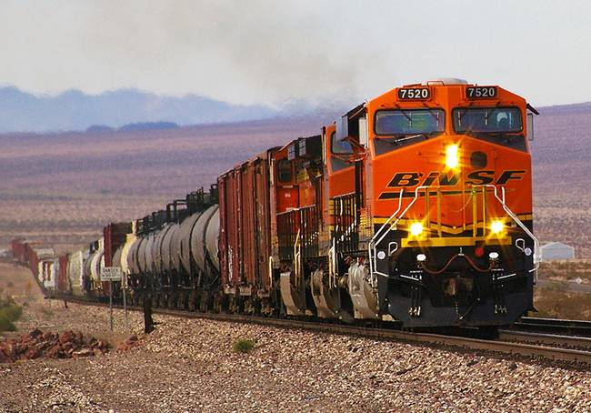

Content
01. County Emissions
- *COABDIS-wise emissions.
02. Air Basin Fuel and CO2
- CO2 emission and diesel fuel consumption per Air Basin.
- Please identify air basins with the Geographic Abbreviations sheet enclosed.
03. Tier Distribution Comparison
- A comparison of locomotive Tier distributions between 2017 and 2021 versions.
04. Statewide Fuel Comparison
- Diesel fuel consumption of the previous and current inventory versions.
05. Geographic Abbreviations
- COABDIS identification codes
*COABDIS: County, Air Basin, and District

04.Statewide Fuel Comparison
California Air Resources Board: 2021 Line-Haul Emission Inventory
Statewide locomotive diesel fuel consumption

2017 vs 2021 Fuel consumption (gpy)
CY | 2017 Inventory Fuel_gpy | 2021 Inventory Fuel_gpy
2010 | 197,220,605 | 154,518,520
2011 | 209,997,112 | 149,815,620
2012 | 209,976,112 | 169,883,604
2013 | 209,955,115 | 155,401,254
2014 | 209,934,119 | 157,389,810
2015 | 209,913,126 | 164,756,637
2016 | 209,892,135 | 159,409,119
2017 | 212,364,664 | 177,548,607
2018 | 214,866,320 | 192,382,050
2019 | 217,397,445 | 196,594,832
2020 | 219,958,387 | 200,899,866
2021 | 222,549,497 | 205,299,171
2022 | 225,171,130 | 209,794,813
2023 | 227,823,646 | 214,388,899
2024 | 230,507,408 | 219,083,587
2025 | 233,222,785 | 223,881,080
2026 | 235,970,150 | 228,783,628
2027 | 238,749,878 | 233,793,532
2028 | 241,562,352 | 238,913,143
2029 | 244,407,956 | 244,144,862
2030 | 247,287,082 | 249,491,147
2031 | 250,200,124 | 254,954,504
2032 | 253,147,481 | 260,545,922
2033 | 256,129,559 | 266,252,286
2034 | 259,146,765 | 272,061,354
2035 | 262,199,514 | 278,030,784
2036 | 265,288,224 | 284,119,103
2037 | 268,413,319 | 290,361,655
2038 | 271,575,228 | 296,698,624
2039 | 274,774,384 | 303,171,191
2040 | 278,011,227 | 309,835,111
2041 | 281,286,199 | 316,647,396
2042 | 284,599,750 | 323,553,222
2043 | 287,952,335 | 330,608,939
2044 | 291,344,414 | 337,878,710
2045 | 294,776,451 | 345,277,578
2046 | 298,248,918 | 352,838,466
2047 | 301,762,290 | 360,564,923
2048 | 305,317,050 | 368,460,574
2049 | 308,913,685 | 376,494,392
2050 | 312,552,688 | 384,774,358
Grand Total | 10,274,366,627 | 10,459,302,874

