About
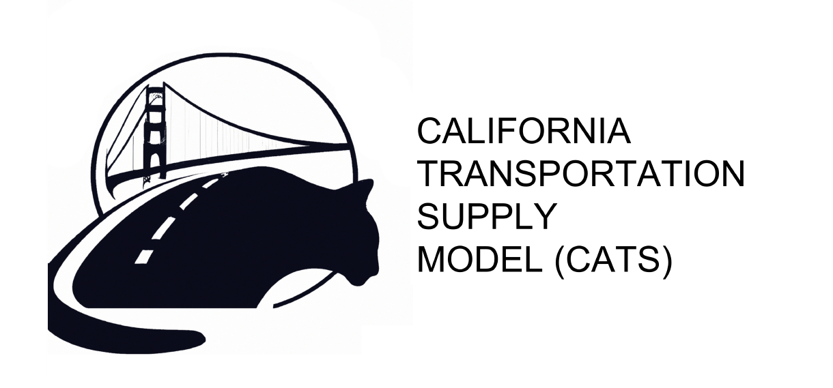

About
This workbook provides a summary of core inputs fed into the CATS model. Model documentation has been publicly posted for review.

Worksheet | Decsription
Energy Demand | This worksheet contains baseline scenario assumptions for the amount of energy demand, per year, for each major fuel pool relevant to California fuel supply
Feedstock Supply Curves | This worksheet contains feedstock supply curve estimates. This includes the set of major feedstocks that can be converted into transportation fuel for use in California
Fuel Production | This worksheet contains the set of cost assumptions and carbon intensity assumptions affiliated with converting feedstock into usable transportation fuel

