E_POSD_mid2026&Crane(40_1600)
 |  |  | Nominal Compliance Baseline Annual Emissions
 |  | Year of Operation | 2023 | 2024 | 2025 | 2026 | 2027 | 2028 | 2029 | 2030 | 2031 | 2032 | 2033 | 2034
 |  | Engine Scenario | Drydock: Non-certified Crane: Tier 2 | Drydock: Tier 4 Marine w/VDECS Crane: Tier 2 | Drydock: Tier 4 Marine w/VDECS Crane: Tier 2 | Drydock: Tier 4 Marine w/VDECS Crane: Tier 2 | Drydock: Tier 4 Marine w/VDECS Crane: Tier 2 | Drydock: Tier 4 Marine w/VDECS Crane: Tier 2 | Drydock: Tier 4 Marine w/VDECS Crane: Tier 4F | Drydock: Tier 4 Marine w/VDECS Crane: Tier 4F | Drydock: Tier 4 Marine w/VDECS Crane: Tier 4F | Drydock: Tier 4 Marine w/VDECS Crane: Tier 4F | Drydock: Tier 4 Marine w/VDECS Crane: Tier 4F | Drydock: Tier 4 Marine w/VDECS Crane: Tier 4F
 |  |  | Drydock Engines
 |  | Engine BHP | 1200 | 1200 | 1200 | 1200 | 1200 | 1200 | 1200 | 1200 | 1200 | 1200 | 1200 | 1200
 |  | 030067 (Starting Hours) | 3687.26 | 0.00 | 39.62 | 79.62 | 119.62 | 159.62 | 199.62 | 239.62 | 279.62 | 319.62 | 359.62 | 399.62
 |  | 030064 (Starting Hours) | 3687.78 | 0.00 | 39.28 | 79.28 | 119.28 | 159.28 | 199.28 | 239.28 | 279.28 | 319.28 | 359.28 | 399.28
 |  | NOX Zero EF (g/bhp-hr) | 10.37 | 1.04 | 1.04 | 1.04 | 1.04 | 1.04 | 1.04 | 1.04 | 1.04 | 1.04 | 1.04 | 1.04
 |  | Deterioration Rate (g/bhp-hr2) | 1.72E-04 | 1.73E-05 | 1.73E-05 | 1.73E-05 | 1.73E-05 | 1.73E-05 | 1.73E-05 | 1.73E-05 | 1.73E-05 | 1.73E-05 | 1.73E-05 | 1.73E-05
 |  | NOX EF (lb/hr) - 030067 | 29.11 | 2.75 | 2.75 | 2.76 | 2.76 | 2.76 | 2.76 | 2.76 | 2.76 | 2.77 | 2.77 | 2.77
 |  | NOX EF (lb/hr) - 030064 | 29.11 | 2.75 | 2.75 | 2.75 | 2.76 | 2.76 | 2.76 | 2.76 | 2.76 | 2.77 | 2.77 | 2.77
 |  | PM Zero EF (g/bhp-hr) | 0.42 | 0.005 | 0.005 | 0.005 | 0.005 | 0.005 | 0.005 | 0.005 | 0.005 | 0.005 | 0.005 | 0.005
 |  | Deterioration Rate (g/bhp-hr2) | 2.25E-05 | 2.39E-07 | 2.39E-07 | 2.39E-07 | 2.39E-07 | 2.39E-07 | 2.39E-07 | 2.39E-07 | 2.39E-07 | 2.39E-07 | 2.39E-07 | 2.39E-07
 |  | PM EF (lb/hr) - 030067 | 1.34 | 0.012 | 0.012 | 0.012 | 0.012 | 0.012 | 0.012 | 0.012 | 0.012 | 0.012 | 0.012 | 0.012
 |  | PM EF (lb/hr) - 030064 | 1.34 | 0.012 | 0.012 | 0.012 | 0.012 | 0.012 | 0.012 | 0.012 | 0.012 | 0.012 | 0.012 | 0.012
 |  | 030067 or Replacement (hr) | 21.77 | 39.62 | 40 | 40 | 40 | 40 | 40 | 40 | 40 | 40 | 40 | 40
 |  | 030064 or Replacement (hr) | 16.11 | 39.28 | 40 | 40 | 40 | 40 | 40 | 40 | 40 | 40 | 40 | 40
 |  |  | Kobelco Crane Engine
 |  | Engine BHP | 316 | 316 | 316 | 316 | 316 | 316 | 316 | 316 | 316 | 316 | 316 | 316
 |  | Starting Hours | 31,502 | 32,568 | 33,674.4 | 35,274 | 36,874 | 38,474 | 0 | 1,600 | 3,200 | 4,800 | 6,400 | 8,000
 |  | NOX Zero EF (g/bhp-hr) | 4.40 | 4.40 | 4.40 | 4.40 | 4.40 | 4.40 | 0.30 | 0.30 | 0.30 | 0.30 | 0.30 | 0.30
 |  | Deterioration Rate (g/bhp-hr2) | 7.32E-05 | 7.32E-05 | 7.32E-05 | 7.32E-05 | 7.32E-05 | 7.32E-05 | 4.96E-06 | 4.96E-06 | 4.96E-06 | 4.96E-06 | 4.96E-06 | 4.96E-06
 |  | NOX EF (lb/hr) | 3.71 | 3.71 | 3.71 | 3.71 | 3.71 | 3.71 | 0.21 | 0.21 | 0.22 | 0.22 | 0.23 | 0.24
 |  | PM Zero EF (g/bhp-hr) | 0.12 | 0.12 | 0.12 | 0.12 | 0.12 | 0.12 | 0.015 | 0.015 | 0.015 | 0.015 | 0.015 | 0.015
 |  | Deterioration Rate (g/bhp-hr2) | 6.37E-06 | 6.37E-06 | 6.37E-06 | 6.37E-06 | 6.37E-06 | 6.37E-06 | 7.91E-07 | 7.91E-07 | 7.91E-07 | 7.91E-07 | 7.91E-07 | 7.91E-07
 |  | PM EF (lb/hr) | 0.14 | 0.14 | 0.14 | 0.14 | 0.14 | 0.14 | 0.010 | 0.011 | 0.012 | 0.013 | 0.014 | 0.015
 |  | 962075 or Replacement (hr) | 1066 | 1106.4 | 1600 | 1600 | 1600 | 1600 | 1600 | 1600 | 1600 | 1600 | 1600 | 1600
 |  | Renewable Diesel Reduction on NOX1 | 5% | 5% | 5% | 5% | 5% | 5% | -- | -- | -- | -- | -- | --
 |  | Renewable Diesel Reduction on PM1 | 30% | 30% | 30% | 30% | 30% | 30% | -- | -- | -- | -- | -- | --
Pollutant | SDAPCD Permit | Units
NOX | APCD2005-PTO-030067 | lb | 602.04 | 109.01 | 110.13 | 110.20 | 110.27 | 110.35 | 110.42 | 110.49 | 110.57 | 110.64 | 110.71 | 110.79
 | APCD2005-PTO-030064 | lb | 445.52 | 108.07 | 110.13 | 110.20 | 110.27 | 110.35 | 110.42 | 110.49 | 110.57 | 110.64 | 110.71 | 110.79
 | APCD2007-PTO-962075 | lb | 3,754.72 | 3,898.48 | 5,637.71 | 5,637.71 | 5,637.71 | 5,637.71 | 332.48 | 341.33 | 350.18 | 359.03 | 367.87 | 376.72
 | Total | lb | 4,802.27 | 4,115.56 | 5,857.97 | 5,858.11 | 5,858.26 | 5,858.41 | 553.32 | 562.31 | 571.31 | 580.30 | 589.30 | 598.29
PM | APCD2005-PTO-030067 | lb | 20.47 | 0.47 | 0.48 | 0.48 | 0.48 | 0.48 | 0.48 | 0.48 | 0.48 | 0.48 | 0.49 | 0.49
 | APCD2005-PTO-030064 | lb | 15.15 | 0.47 | 0.48 | 0.48 | 0.48 | 0.48 | 0.48 | 0.48 | 0.48 | 0.48 | 0.49 | 0.49
 | APCD2007-PTO-962075 | lb | 104.14 | 108.13 | 156.36 | 156.36 | 156.36 | 156.36 | 16.62 | 18.04 | 19.45 | 20.86 | 22.27 | 23.68
 | Total | lb | 139.76 | 109.07 | 157.32 | 157.32 | 157.32 | 157.32 | 17.59 | 19.00 | 20.41 | 21.83 | 23.24 | 24.65

 |  |  | ACE Scenario requests 40 hours per engine per year for the two POSD drydock engines until 12/31/2025. Anticipating one docking event in early 2026 for 10 hours of use for each engines then in April 2026 the drydock operation would be fully electric and the two engines would be only used in emergency situations, limited to 12 hours per year for maintenance and testing. Additionally, the existing Tier 2 engine on the Kobelco wingwall crane will be replaced with a Tier 4F engine no later than 1/1/2026 and operated approximately 1,600 hours per year.

 |  |  |  |  | Annual M&T Hours per drydock engine | 12 | for ACE Scenario |  |  | Annual Kobelco wingwall crane hours | 1600 | for ACE Scenario

 |  |  | ACE Scenario Annual Emissions
 |  | Year of Operation | 2023 | 2024 | 2025 | 2026 | 2027 | 2028 | 2029 | 2030 | 2031 | 2032 | 2033 | 2034
 |  | Engine Scenario | Drydock: Non-certified Crane: Tier 2 | Drydock: Non-certified Crane: Tier 2 | Drydock: Non-certified Crane: Tier 2 | Drydock: One docking event in 2026, then Electric w/M&T for Non-cert Crane: Tier 4F | Drydock: Electric w/ M&T for Non-cert Crane: Tier 4F | Drydock: Electric w/ M&T for Non-cert Crane: Tier 4F | Drydock: Electric w/ M&T for Non-cert Crane: Tier 4F | Drydock: Electric w/ M&T for Non-cert Crane: Tier 4F | Drydock: Electric w/ M&T for Non-cert Crane: Tier 4F | Drydock: Electric w/ M&T for Non-cert Crane: Tier 4F | Drydock: Electric w/ M&T for Non-cert Crane: Tier 4F | Drydock: Electric w/ M&T for Non-cert Crane: Tier 4F
...
 |  |  |  | Existing1 | New w/o VDECS2 | New w/VDECS3
 |  |  | MY Data/Tier | 1984 | 4 | 4 |  | MY | NOX | MY | DPM
 |  |  | Units | g/bhp-hr | g/bhp-hr | g/bhp-hr |  | 1984 | 11.00 | 1984 | 0.53
 |  |  | NOX EF* | 10.37 | 1.04 | 1.04
 |  |  | PM EF* | 0.42 | 0.03 | 0.005 |  | Note: Engines were Built in 1983; therefore 1984 was chosen as the most representative model year.
 |  |  | *Note, since EF are based on sulfur content of 3%, used CARB fuel correction factors. See values and reference below.
 |  |  | 1 CARB, 2017 Off-Road Diesel Emission Factor Update for NOx and PM w/ Fuel Correction Factor
 |  |  | 2 CARB, CHC, Appendix H, Table H-5. Emission Factors (gram/bhp-hr) of CHC Engines by Horsepower Bin and Tier Standard
 |  |  | 3 VDECS considered Level 3 as required under Section 93118.5(e)(12)(C)(2) of the CHC

 |  |  | CHC Appendix H for NOX and PM, Table H-5.For Tier 0 (pre-MY1988) engines, in the HP bin of >=800 is based on an average of 1969, 1971. 1979, 1984, and 1988 data.
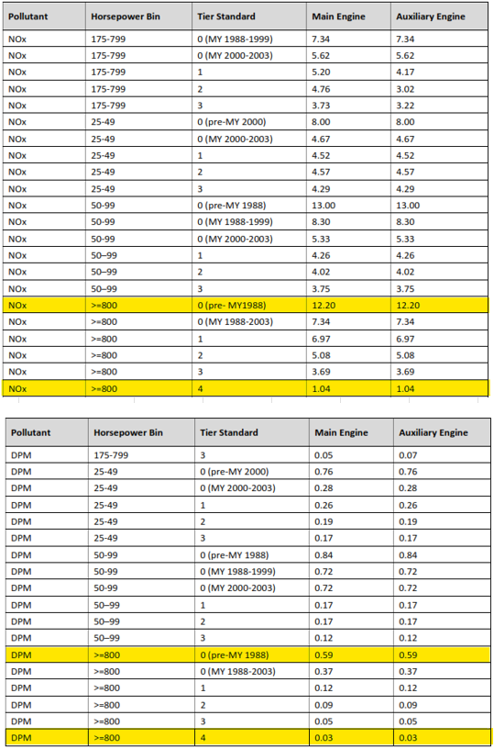

 |  |  | Fuel Correction Factor
 |  |  |  | NOX | 0.9425
 |  |  |  | PM | 0.8012

 |  |  |  | CARB, CALIFORNIA’S EMISSIONS INVENTORY FOR OFF-ROAD LARGE COMPRESSION-IGNITED (CI) ENGINES (>25HP), TABLE 16
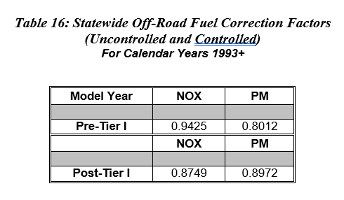

 |  |  | Deterioration Factor

 |  |  |  | NOX | 0.21 |  | Source:
 |  |  |  | PM | 0.67 |  | Source:
 |  |  |  | Useful Hours | 12625 |  | Source:

 |  |  |  | CARB, CALIFORNIA’S EMISSIONS INVENTORY FOR OFF-ROAD LARGE COMPRESSION-IGNITED (CI) ENGINES (>25HP), TABLE 17
 |  |  |  | CARB, CALIFORNIA’S EMISSIONS INVENTORY FOR OFF-ROAD LARGE COMPRESSION-IGNITED (CI) ENGINES (>25HP), TABLE 18
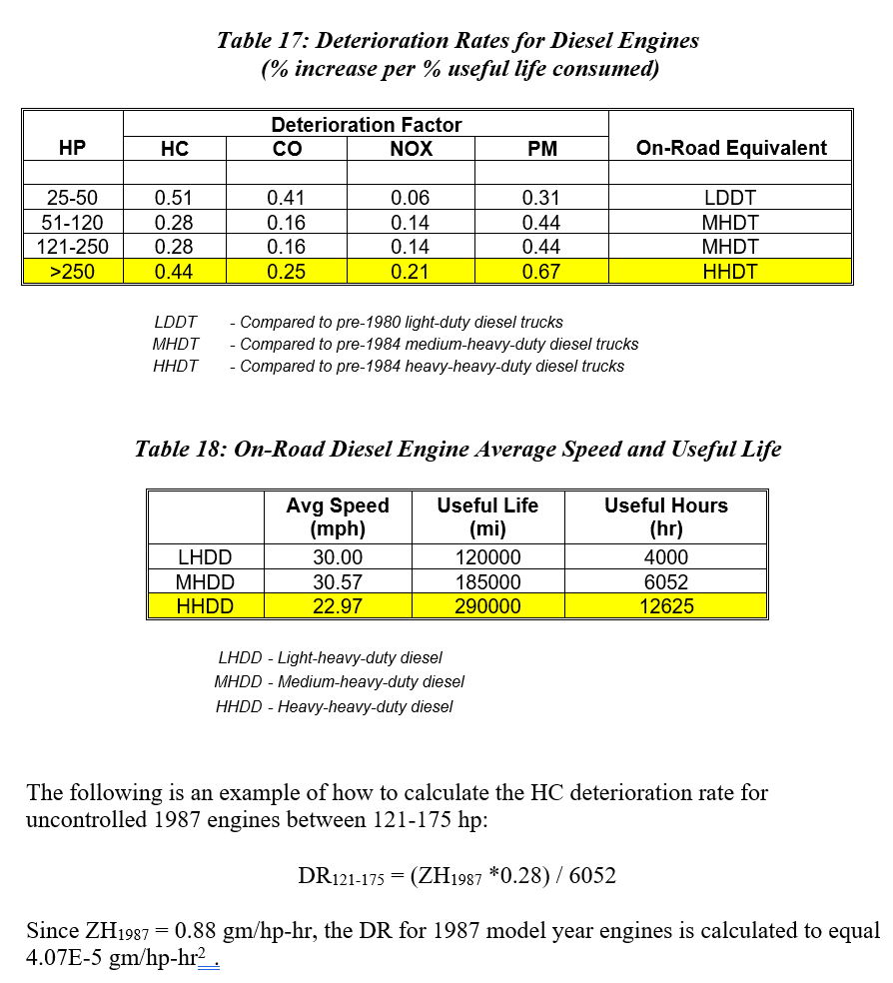
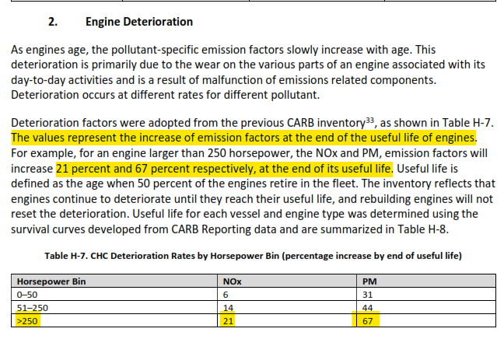

 |  |  | CARB, Appendix H 2021 Update to the Emission Inventory for Commercial Harbor Craft: Methodology and Results, Pages H-16 to H-17
 |  |  | "Because of limited number of Tier 0 engines (also known as pre-Tier 1 engines or uncontrolled), their EFs were adopted from general off-road EFs2930…"

 |  |  | The value used in Appendix H for NOX and PM, for Tier 0 (pre-MY1988) engines, in the HP bin of >=800 is based on an average of 1969, 1971. 1979, 1984, and 1988 data.
 |  |  |  |  | NOX | 12.20 | =AVERAGE(14,13,12,11,11) - See Table 2 below.

 |  |  |  |  | PM | 0.592 | =AVERAGE(0.74,0.63,0.53,0.53,0.53) - See Table 2 below.

 |  |  | https://ww2.arb.ca.gov/sites/default/files/classic/msei/ordiesel/ordas_ef_fcf_2017.pdf

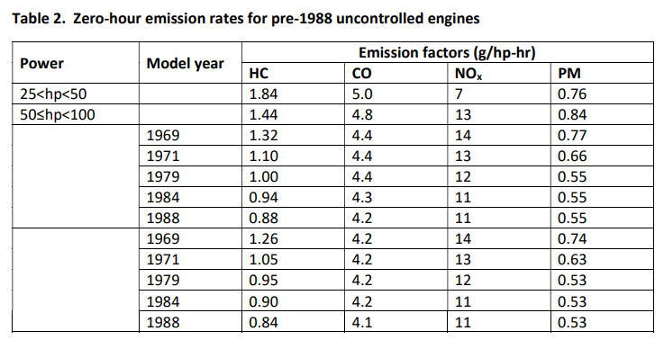

 |  |  | Emission Factors for APCD2007-PTO-962075 (referred to as 962075)

 |  |  | Tier 2 Certification
 |  |  |  | EPA Family |  | 4MFTL11.9D2A
 |  |  |  | NOX |  | 4.40 | g/bhp-hr | Source: | https://www.epa.gov/sites/default/files/2018-02/nonroad-compression-ignition-archive1996-2011.xlsx
 |  |  |  | PM |  | 0.120 | g/bhp-hr | Source: | https://www.epa.gov/sites/default/files/2018-02/nonroad-compression-ignition-archive1996-2011.xlsx

 |  |  | Tier 4F Non-road CI Standards
 |  |  |  | NOX |  | 0.40 | g/kW-hr | Source: | https://ww2.arb.ca.gov/resources/documents/non-road-diesel-engine-certification-tier-chart
 |  |  |  |  |  | 0.30 | g/bhp-hr | Convert: | 1 bhp = 0.7457 kW
 |  |  |  | PM |  | 0.02 | g/kW-hr | Source: | https://ww2.arb.ca.gov/resources/documents/non-road-diesel-engine-certification-tier-chart
 |  |  |  |  |  | 0.015 | g/bhp-hr | Convert: | 1 bhp = 0.7457 kW

 |  |  | Reference (1):
 |  |  |  | https://ww2.arb.ca.gov/resources/documents/low-emission-diesel-led-study-biodiesel-and-renewable-diesel-emissions-legacy
